Summerset St John Block A
Tier 1 | Tier 2 | Tier 3 | Tier 4 | Tier 5 | Tier 6 | Tier 7 | Instruction to CONQA | Checklist Name
Site Summerset St John QA
 | Block A
 |  | Level 2
 |  |  | Zone 1 |  |  |  | add this checklist:
 |  |  | Zone 2 |  |  |  | add this checklist:
 |  |  | Zone 3 |  |  |  | add this checklist:
 |  |  | Zone 4 |  |  |  | add this checklist:

 |  | Level 3
 |  |  | Zone 1 |  |  |  | add this checklist: |  | Type | Name | Values
 |  |  | Zone 2 |  |  |  | add this checklist: |  | checklist-flat | QA - Brickwork
 |  |  | Zone 3 |  |  |  | add this checklist: |  | section | Prestart
 |  |  | Zone 4 |  |  |  | add this checklist: |  | checkpoint | Approval from Summerset foreman to begin blocklaying
 |  |  |  |  |  |  |  |  | checkpoint | Setting out checked back to grid and datum as per architect setting out drawings
 |  |  |  |  |  |  |  |  | checkpoint | DPC installed and checked before works commence*
 |  | Level 4 |  |  |  |  |  |  | section | Brick/ block work Installation
 |  |  | Zone 1 |  |  |  | add this checklist: |  | checkpoint | Mortar mixed correctly and colour consistent
 |  |  | Zone 2 |  |  |  | add this checklist: |  | checkpoint | Premium white mortar is used as per specification plan
 |  |  | Zone 3 |  |  |  | add this checklist: |  | checkpoint | Mortar joints are in alignment
 |  |  | Zone 4 |  |  |  | add this checklist: |  | checkpoint | Cavity width correct
 |  |  |  |  |  |  |  |  | checkpoint | Cavity insulation installed as per plan
 |  | Level 5 |  |  |  |  |  |  | checkpoint | Standard Brick ties installed as per the specifications with correct spacing*
 |  |  | Zone 1 |  |  |  | add this checklist: |  | checkpoint | Fero brick ties and retaining clips installed as per the manufactures recommendations*
 |  |  | Zone 2 |  |  |  | add this checklist: |  | checkpoint | Cavity and brick ties free of mortar and debris
 |  |  | Zone 3 |  |  |  | add this checklist: |  | checkpoint | Weep-holes checked and accurate (required every 3 bricks at base and sills)
 |  |  | Zone 4 |  |  |  | add this checklist: |  | checkpoint | Brick sill installed and checked – 15 degree consistent fall
 |  |  |  |  |  |  |  |  | checkpoint | Façade bricks are installed as per plan
 |  | Level 6 |  |  |  |  |  |  | checkpoint | Double layers of bricks are installed as per plan
 |  |  | Zone 1 |  |  |  | add this checklist: |  | checkpoint | Both Horizontal and vertical fire cavity barrier installed - this is to be offered to Summerset before work scontinue to check and ensure verything is installed correctly*
 |  |  | Zone 2 |  |  |  | add this checklist: |  | checkpoint | Brickwork line and level t ospecification tolerances*
 |  |  | Zone 3 |  |  |  | add this checklist: |  | checkpoint | Movement joints installed as pers etting out drawings
 |  |  | Zone 4 |  |  |  | add this checklist: |  | section | Hand over
 |  |  |  |  |  |  |  |  | checkpoint | Final clean and handover

 |  |  |  |  |  |  |  |  | section | Brick shelf Angle
 |  |  |  |  |  |  |  |  | checkpoint | Installed to sepecification and drawings
 |  |  |  |  |  |  |  |  | checkpoint | Correct Fixing used*
 |  |  |  |  |  |  |  |  | checkpoint | Brick support angle is line and level*
 |  |  |  |  |  |  |  |  | checkpoint | Toque check carried out on fixings and record results on checksheet*
 |  |  |  |  |  |  |  |  | checkpoint | Any damaged to galvanis3 finish has been made good with correct galvanised spray*
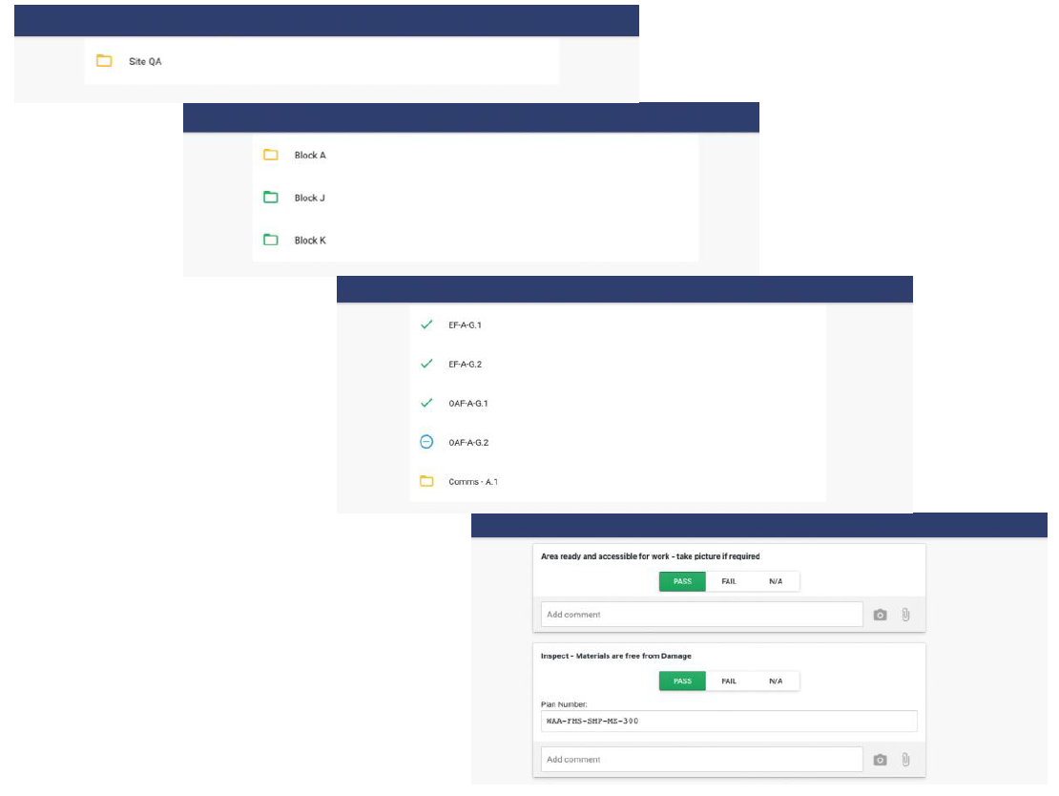 Visual Representation in Web App (Block A Sample)
 |  |  |  |  |  |  |  |  |  | (Please leave the * as it is)

